Sheet1
 | SHENZHEN KINGCCTV TECHNOLOGY CO.,LTD.
 | 26E, Block 2, Nanguo Bldg., No. 2065, Hongling Middle Rd.,Futian District
 | Shenzhen, Guangdong, P.R.CHINA ZIP: 518028
TEL:86-755-8616 5030 FAX: 86-755-8241 8186
www.kingcctv.com E-Mail: sales5@kingcctv.com Skype: sales5@kingcctv.com Wechat&whatsapp: 86 13549962364 Contact: Sandy Lee
KingCCTV--Quotation
No. | Picture | Model | Specification | EX-W Unit Price (USD/PC) | Quantity (PCS) | Total
1 | 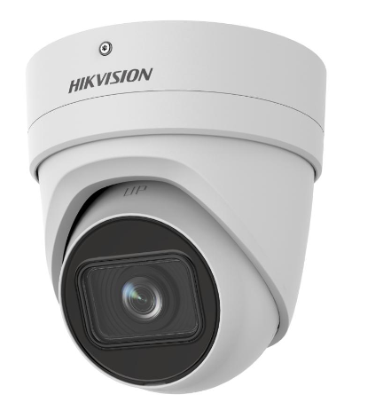 | IP Hikvision DS-2CD2H25FHWD-IZS---1pcs is discontinued; the replacing model:DS-2CD2H26G2-IZS | DS-2CD2H26G2-IZS 2 MP Acusense Motorized Varifocal Turret Network Camera High quality imaging with 2 MP resolution Motorized Varifocal lens for easy installation and monitoring Excellent low-light performance with powered-by-DarkFighter technology Efficient H.265+ compression technology Clear imaging against strong back light due to 120 dB WDR technology Focus on human and vehicle classification based on deep learning Audio and alarm interface available Water and dust resistant IP66 and vandal proof IK10 | US$125.08 | 1 | US$125.08
2 |  | DS-2CD4A25FWD-IZHS (2,8-12 mm)---5pcs is discontinued; the replacing model：DS-2CD7A26G0-IZHS(2.8-12 mm) | iDS-2CD7A26G0-IZHS(Y)(R) 2MP DeepinView Moto Varifocal Bullet Camera High quality imaging with 2 MP resolution Excellent low-light performance via DarkFighter technology Clear imaging against strong back light due to 140 dB WDR technology Efficient H.265+ compression technology to save bandwidth and storage 5 streams to meet a wide variety of applications Water and dust resistant (IP67) and vandal proof (IK10) | US$293.82 | 5 | US$1,469.10
3 |  | DS-2CD4A25FWD-IZHS (8-32 mm---35pcs is discontinued; the replacing model: DS-2CD7A26G0-IZHSY(8-32 mm) | iDS-2CD7A26G0-IZHS(Y)(R) 2MP DeepinView Moto Varifocal Bullet Camera High quality imaging with 2 MP resolution Excellent low-light performance via DarkFighter technology Clear imaging against strong back light due to 140 dB WDR technology Efficient H.265+ compression technology to save bandwidth and storage 5 streams to meet a wide variety of applications Water and dust resistant (IP67) and vandal proof (IK10) | US$352.82 | 35 | US$12,348.70
 |  |  |  |  | 41 | US$13,942.88

